Sheet1
* Encoding: UTF-8.

DATASET ACTIVATE DataSet0.

Dataset Activate

Notes
Output Created |  | 04-JUL-2024 15:16:20
Comments
Input | Filter | <none>
 | Weight | <none>
 | Split File | <none>
Synta |  | DATASET ACTIVATE DataSet0.
Resources | Processor Time | 00:00:00.00
 | Elapsed Time | 00:00:00.00

Warnings
Unknown dataset DataSet0.
Execution of this command stops.

RECODE weight (Lowest thru 9=1) (10 thru 23=2) (24 thru 36=3) (37 thru 49=4) (50 thru 63=5) (64
thru 79=6) (80 thru 93=7) (94 thru 106=8) (107 thru Highest=9) INTO class_weight.
VARIABLE LABELS class_weight 'weight class'.
EXECUTE.

DATASET ACTIVATE DataSet0.

Dataset Activate

Notes
Output Created |  | 04-JUL-2024 15:16:20
Comments
Input | Filter | <none>
 | Weight | <none>
 | Split File | <none>
 | N of Rows in Working Data File | 60
Syntax |  | DATASET ACTIVATE DataSet0.
Resources | Processor Time | 00:00:00.00
 | Elapsed Time | 00:00:00.02

Warnings
Unknown dataset DataSet0.
Execution of this command stops.

RECODE weight (Lowest thru 9=1) (10 thru 23=2) (24 thru 36=3) (37 thru 49=4) (50 thru 63=5) (64
thru 79=6) (80 thru 93=7) (94 thru 106=8) (107 thru Highest=9) INTO class_weight.
VARIABLE LABELS class_weight 'weight class'.
VALUE LABELS class_weight
1 "below 9"
2 "10 - 23"
3 "24 - 35"
4 "37 - 49"
5 "50 - 63"
6 "64 - 79"
7 "80 - 93"
8 "94 - 106"
9 "above 107".
EXECUTE.

FREQUENCIES VARIABLES=weight class_weight
/NTILES=4
/NTILES=10
/PERCENTILES=35.0
/STATISTICS=STDDEV VARIANCE RANGE MINIMUM MAXIMUM SEMEAN MEAN MEDIAN MODE SUM SKEWNESS SESKEW
KURTOSIS SEKURT
/ORDER=ANALYSIS.

Frequencies

Notes
Output Created |  | 04-JUL-2024 15:16:20
Comments
Input | Data | C:\Users\srija\OneDrive\Desktop\CSIT 2027\SEM - 2\Stats I\spss\Untitled1.sav
 | Active Dataset | DataSet1
 | Filter | <none>
 | Weight | <none>
 | Split File | <none>
 | N of Rows in Working Data File | 60
Missing Value Handling | Definition of Missing | User-defined missing values are treated as missing.
 | Cases Used | Statistics are based on all cases with valid data.
Syntax |  | FREQUENCIES VARIABLES=weight class_weight /NTILES=4 /NTILES=10 /PERCENTILES=35.0 /STATISTICS=STDDEV VARIANCE RANGE MINIMUM MAXIMUM SEMEAN MEAN MEDIAN MODE SUM SKEWNESS SESKEW KURTOSIS SEKURT /ORDER=ANALYSIS.
Resources | Processor Time | 00:00:00.00
 | Elapsed Time | 00:00:00.02

[DataSet1] C:\Users\srija\OneDrive\Desktop\CSIT 2027\SEM - 2\Stats I\spss\Untitled1.sav

Statistics
 |  | weight | weight class
N | Valid | 60 | 60
 | Missing | 0 | 0
Mean |  | 52.6000 | 4.5833
Std. Error of Mean |  | 3.02702 | 0.22080
Median |  | 47.0000 | 4.0000
Mode |  | 47.00 | 4.00
Std. Deviation |  | 23.44716 | 1.71030
Variance |  | 549.769 | 2.925
Skewness |  | 0.150 | 0.095
Std. Error of Skewness |  | 0.309 | 0.309
Kurtosis |  | -0.882 | -0.952
Std. Error of Kurtosis |  | 0.608 | 0.608
Range |  | 84.00 | 6.00
Minimum |  | 10.00 | 2.00
Maximum |  | 94.00 | 8.00
Sum |  | 3156.00 | 275.00
Percentiles | 10 | 22.0000 | 2.0000
 | 20 | 30.0000 | 3.0000
 | 25 | 33.5000 | 3.0000
 | 30 | 39.6000 | 4.0000
 | 35 | 44.0500 | 4.0000
 | 40 | 47.0000 | 4.0000
 | 50 | 47.0000 | 4.0000
 | 60 | 55.6000 | 5.0000
 | 70 | 67.0000 | 6.0000
 | 75 | 70.0000 | 6.0000
 | 80 | 74.8000 | 6.0000
 | 90 | 90.8000 | 7.0000

Frequency Table

weight
 |  | Frequency | Percent | Valid Percent | Cumulative Percent
Valid | 10.00 | 1 | 1.7 | 1.7 | 1.7
 | 12.00 | 1 | 1.7 | 1.7 | 3.3
 | 15.00 | 1 | 1.7 | 1.7 | 5.0
 | 18.00 | 1 | 1.7 | 1.7 | 6.7
 | 20.00 | 1 | 1.7 | 1.7 | 8.3
 | 22.00 | 2 | 3.3 | 3.3 | 11.7
 | 23.00 | 2 | 3.3 | 3.3 | 15.0
 | 26.00 | 1 | 1.7 | 1.7 | 16.7
 | 30.00 | 3 | 5.0 | 5.0 | 21.7
 | 31.00 | 1 | 1.7 | 1.7 | 23.3
 | 33.00 | 1 | 1.7 | 1.7 | 25.0
 | 35.00 | 1 | 1.7 | 1.7 | 26.7
 | 39.00 | 2 | 3.3 | 3.3 | 30.0
 | 41.00 | 1 | 1.7 | 1.7 | 31.7
 | 42.00 | 1 | 1.7 | 1.7 | 33.3
 | 43.00 | 1 | 1.7 | 1.7 | 35.0
 | 46.00 | 1 | 1.7 | 1.7 | 36.7
 | 47.00 | 9 | 15.0 | 15.0 | 51.7
 | 49.00 | 1 | 1.7 | 1.7 | 53.3
 | 52.00 | 2 | 3.3 | 3.3 | 56.7
 | 55.00 | 2 | 3.3 | 3.3 | 60.0
 | 56.00 | 1 | 1.7 | 1.7 | 61.7
 | 62.00 | 2 | 3.3 | 3.3 | 65.0
 | 65.00 | 1 | 1.7 | 1.7 | 66.7
 | 66.00 | 1 | 1.7 | 1.7 | 68.3
 | 67.00 | 2 | 3.3 | 3.3 | 71.7
 | 68.00 | 1 | 1.7 | 1.7 | 73.3
 | 70.00 | 2 | 3.3 | 3.3 | 76.7
 | 71.00 | 1 | 1.7 | 1.7 | 78.3
 | 74.00 | 1 | 1.7 | 1.7 | 80.0
 | 75.00 | 1 | 1.7 | 1.7 | 81.7
 | 77.00 | 2 | 3.3 | 3.3 | 85.0
 | 81.00 | 1 | 1.7 | 1.7 | 86.7
 | 88.00 | 1 | 1.7 | 1.7 | 88.3
 | 89.00 | 1 | 1.7 | 1.7 | 90.0
 | 91.00 | 2 | 3.3 | 3.3 | 93.3
 | 92.00 | 1 | 1.7 | 1.7 | 95.0
 | 93.00 | 1 | 1.7 | 1.7 | 96.7
 | 94.00 | 2 | 3.3 | 3.3 | 100.0
 | Total | 60 | 100.0 | 100.0

weight class
 |  | Frequency | Percent | Valid Percent | Cumulative Percent
Valid | 10 - 23 | 9 | 15.0 | 15.0 | 15.0
 | 24 - 35 | 7 | 11.7 | 11.7 | 26.7
 | 37 - 49 | 16 | 26.7 | 26.7 | 53.3
 | 50 - 63 | 7 | 11.7 | 11.7 | 65.0
 | 64 - 79 | 12 | 20.0 | 20.0 | 85.0
 | 80 - 93 | 7 | 11.7 | 11.7 | 96.7
 | 94 - 106 | 2 | 3.3 | 3.3 | 100.0
 | Total | 60 | 100.0 | 100.0

FREQUENCIES VARIABLES=weight class_weight
/NTILES=4
/NTILES=10
/PERCENTILES=35.0
/STATISTICS=STDDEV VARIANCE RANGE MINIMUM MAXIMUM SEMEAN MEAN MEDIAN MODE SUM SKEWNESS SESKEW
KURTOSIS SEKURT
/BARCHART FREQ
/ORDER=ANALYSIS.

Frequencies

Notes
Output Created |  | 04-JUL-2024 15:16:20
Comments
Input | Data | C:\Users\srija\OneDrive\Desktop\CSIT 2027\SEM - 2\Stats I\spss\Untitled1.sav
 | Active Dataset | DataSet1
 | Filter | <none>
 | Weight | <none>
 | Split File | <none>
 | N of Rows in Working Data File | 60
Missing Value Handling | Definition of Missing | User-defined missing values are treated as missing.
 | Cases Used | Statistics are based on all cases with valid data.
Syntax |  | FREQUENCIES VARIABLES=weight class_weight /NTILES=4 /NTILES=10 /PERCENTILES=35.0 /STATISTICS=STDDEV VARIANCE RANGE MINIMUM MAXIMUM SEMEAN MEAN MEDIAN MODE SUM SKEWNESS SESKEW KURTOSIS SEKURT /BARCHART FREQ /ORDER=ANALYSIS.
Resources | Processor Time | 00:00:02.95
 | Elapsed Time | 00:00:01.95

Statistics
 |  | weight | weight class
N | Valid | 60 | 60
 | Missing | 0 | 0
Mean |  | 52.6000 | 4.5833
Std. Error of Mean |  | 3.02702 | 0.22080
Median |  | 47.0000 | 4.0000
Mode |  | 47.00 | 4.00
Std. Deviation |  | 23.44716 | 1.71030
Variance |  | 549.769 | 2.925
Skewness |  | 0.150 | 0.095
Std. Error of Skewness |  | 0.309 | 0.309
Kurtosis |  | -0.882 | -0.952
Std. Error of Kurtosis |  | 0.608 | 0.608
Range |  | 84.00 | 6.00
Minimum |  | 10.00 | 2.00
Maximum |  | 94.00 | 8.00
Sum |  | 3156.00 | 275.00
Percentiles | 10 | 22.0000 | 2.0000
 | 20 | 30.0000 | 3.0000
 | 25 | 33.5000 | 3.0000
 | 30 | 39.6000 | 4.0000
 | 35 | 44.0500 | 4.0000
 | 40 | 47.0000 | 4.0000
 | 50 | 47.0000 | 4.0000
 | 60 | 55.6000 | 5.0000
 | 70 | 67.0000 | 6.0000
 | 75 | 70.0000 | 6.0000
 | 80 | 74.8000 | 6.0000
 | 90 | 90.8000 | 7.0000

Frequency Table

weight
 |  | Frequency | Percent | Valid Percent | Cumulative Percent
Valid | 10.00 | 1 | 1.7 | 1.7 | 1.7
 | 12.00 | 1 | 1.7 | 1.7 | 3.3
 | 15.00 | 1 | 1.7 | 1.7 | 5.0
 | 18.00 | 1 | 1.7 | 1.7 | 6.7
 | 20.00 | 1 | 1.7 | 1.7 | 8.3
 | 22.00 | 2 | 3.3 | 3.3 | 11.7
 | 23.00 | 2 | 3.3 | 3.3 | 15.0
 | 26.00 | 1 | 1.7 | 1.7 | 16.7
 | 30.00 | 3 | 5.0 | 5.0 | 21.7
 | 31.00 | 1 | 1.7 | 1.7 | 23.3
 | 33.00 | 1 | 1.7 | 1.7 | 25.0
 | 35.00 | 1 | 1.7 | 1.7 | 26.7
 | 39.00 | 2 | 3.3 | 3.3 | 30.0
 | 41.00 | 1 | 1.7 | 1.7 | 31.7
 | 42.00 | 1 | 1.7 | 1.7 | 33.3
 | 43.00 | 1 | 1.7 | 1.7 | 35.0
 | 46.00 | 1 | 1.7 | 1.7 | 36.7
 | 47.00 | 9 | 15.0 | 15.0 | 51.7
 | 49.00 | 1 | 1.7 | 1.7 | 53.3
 | 52.00 | 2 | 3.3 | 3.3 | 56.7
 | 55.00 | 2 | 3.3 | 3.3 | 60.0
 | 56.00 | 1 | 1.7 | 1.7 | 61.7
 | 62.00 | 2 | 3.3 | 3.3 | 65.0
 | 65.00 | 1 | 1.7 | 1.7 | 66.7
 | 66.00 | 1 | 1.7 | 1.7 | 68.3
 | 67.00 | 2 | 3.3 | 3.3 | 71.7
 | 68.00 | 1 | 1.7 | 1.7 | 73.3
 | 70.00 | 2 | 3.3 | 3.3 | 76.7
 | 71.00 | 1 | 1.7 | 1.7 | 78.3
 | 74.00 | 1 | 1.7 | 1.7 | 80.0
 | 75.00 | 1 | 1.7 | 1.7 | 81.7
 | 77.00 | 2 | 3.3 | 3.3 | 85.0
 | 81.00 | 1 | 1.7 | 1.7 | 86.7
 | 88.00 | 1 | 1.7 | 1.7 | 88.3
 | 89.00 | 1 | 1.7 | 1.7 | 90.0
 | 91.00 | 2 | 3.3 | 3.3 | 93.3
 | 92.00 | 1 | 1.7 | 1.7 | 95.0
 | 93.00 | 1 | 1.7 | 1.7 | 96.7
 | 94.00 | 2 | 3.3 | 3.3 | 100.0
 | Total | 60 | 100.0 | 100.0

weight class
 |  | Frequency | Percent | Valid Percent | Cumulative Percent
Valid | 10 - 23 | 9 | 15.0 | 15.0 | 15.0
 | 24 - 35 | 7 | 11.7 | 11.7 | 26.7
 | 37 - 49 | 16 | 26.7 | 26.7 | 53.3
 | 50 - 63 | 7 | 11.7 | 11.7 | 65.0
 | 64 - 79 | 12 | 20.0 | 20.0 | 85.0
 | 80 - 93 | 7 | 11.7 | 11.7 | 96.7
 | 94 - 106 | 2 | 3.3 | 3.3 | 100.0
 | Total | 60 | 100.0 | 100.0

Bar Chart

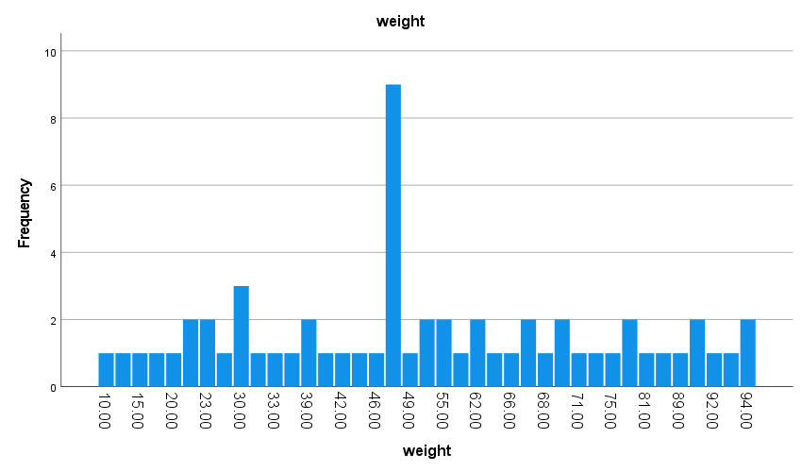
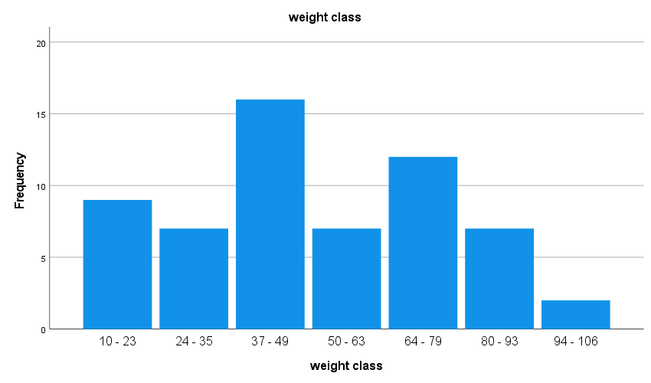
FREQUENCIES VARIABLES=weight class_weight
/NTILES=4
/NTILES=10
/PERCENTILES=35.0
/STATISTICS=STDDEV VARIANCE RANGE MINIMUM MAXIMUM SEMEAN MEAN MEDIAN MODE SUM SKEWNESS SESKEW
KURTOSIS SEKURT
/PIECHART FREQ
/ORDER=ANALYSIS.

Frequencies

Notes
Output Created |  | 04-JUL-2024 15:22:46
Comments
Input | Data | C:\Users\srija\OneDrive\Desktop\CSIT 2027\SEM - 2\Stats I\spss\Untitled1.sav
 | Active Dataset | DataSet1
 | Filter | <none>
 | Weight | <none>
 | Split File | <none>
 | N of Rows in Working Data File | 60
Missing Value Handling | Definition of Missing | User-defined missing values are treated as missing.
 | Cases Used | Statistics are based on all cases with valid data.
Syntax |  | FREQUENCIES VARIABLES=weight class_weight /NTILES=4 /NTILES=10 /PERCENTILES=35.0 /STATISTICS=STDDEV VARIANCE RANGE MINIMUM MAXIMUM SEMEAN MEAN MEDIAN MODE SUM SKEWNESS SESKEW KURTOSIS SEKURT /PIECHART FREQ /ORDER=ANALYSIS.
Resources | Processor Time | 00:00:00.92
 | Elapsed Time | 00:00:00.34

Statistics
 |  | weight | weight class
N | Valid | 60 | 60
 | Missing | 0 | 0
Mean |  | 52.6000 | 4.5833
Std. Error of Mean |  | 3.02702 | 0.22080
Median |  | 47.0000 | 4.0000
Mode |  | 47.00 | 4.00
Std. Deviation |  | 23.44716 | 1.71030
Variance |  | 549.769 | 2.925
Skewness |  | 0.150 | 0.095
Std. Error of Skewness |  | 0.309 | 0.309
Kurtosis |  | -0.882 | -0.952
Std. Error of Kurtosis |  | 0.608 | 0.608
Range |  | 84.00 | 6.00
Minimum |  | 10.00 | 2.00
Maximum |  | 94.00 | 8.00
Sum |  | 3156.00 | 275.00
Percentiles | 10 | 22.0000 | 2.0000
 | 20 | 30.0000 | 3.0000
 | 25 | 33.5000 | 3.0000
 | 30 | 39.6000 | 4.0000
 | 35 | 44.0500 | 4.0000
 | 40 | 47.0000 | 4.0000
 | 50 | 47.0000 | 4.0000
 | 60 | 55.6000 | 5.0000
 | 70 | 67.0000 | 6.0000
 | 75 | 70.0000 | 6.0000
 | 80 | 74.8000 | 6.0000
 | 90 | 90.8000 | 7.0000

Frequency Table

weight
 |  | Frequency | Percent | Valid Percent | Cumulative Percent
Valid | 10.00 | 1 | 1.7 | 1.7 | 1.7
 | 12.00 | 1 | 1.7 | 1.7 | 3.3
 | 15.00 | 1 | 1.7 | 1.7 | 5.0
 | 18.00 | 1 | 1.7 | 1.7 | 6.7
 | 20.00 | 1 | 1.7 | 1.7 | 8.3
 | 22.00 | 2 | 3.3 | 3.3 | 11.7
 | 23.00 | 2 | 3.3 | 3.3 | 15.0
 | 26.00 | 1 | 1.7 | 1.7 | 16.7
 | 30.00 | 3 | 5.0 | 5.0 | 21.7
 | 31.00 | 1 | 1.7 | 1.7 | 23.3
 | 33.00 | 1 | 1.7 | 1.7 | 25.0
 | 35.00 | 1 | 1.7 | 1.7 | 26.7
 | 39.00 | 2 | 3.3 | 3.3 | 30.0
 | 41.00 | 1 | 1.7 | 1.7 | 31.7
 | 42.00 | 1 | 1.7 | 1.7 | 33.3
 | 43.00 | 1 | 1.7 | 1.7 | 35.0
 | 46.00 | 1 | 1.7 | 1.7 | 36.7
 | 47.00 | 9 | 15.0 | 15.0 | 51.7
 | 49.00 | 1 | 1.7 | 1.7 | 53.3
 | 52.00 | 2 | 3.3 | 3.3 | 56.7
 | 55.00 | 2 | 3.3 | 3.3 | 60.0
 | 56.00 | 1 | 1.7 | 1.7 | 61.7
 | 62.00 | 2 | 3.3 | 3.3 | 65.0
 | 65.00 | 1 | 1.7 | 1.7 | 66.7
 | 66.00 | 1 | 1.7 | 1.7 | 68.3
 | 67.00 | 2 | 3.3 | 3.3 | 71.7
 | 68.00 | 1 | 1.7 | 1.7 | 73.3
 | 70.00 | 2 | 3.3 | 3.3 | 76.7
 | 71.00 | 1 | 1.7 | 1.7 | 78.3
 | 74.00 | 1 | 1.7 | 1.7 | 80.0
 | 75.00 | 1 | 1.7 | 1.7 | 81.7
 | 77.00 | 2 | 3.3 | 3.3 | 85.0
 | 81.00 | 1 | 1.7 | 1.7 | 86.7
 | 88.00 | 1 | 1.7 | 1.7 | 88.3
 | 89.00 | 1 | 1.7 | 1.7 | 90.0
 | 91.00 | 2 | 3.3 | 3.3 | 93.3
 | 92.00 | 1 | 1.7 | 1.7 | 95.0
 | 93.00 | 1 | 1.7 | 1.7 | 96.7
 | 94.00 | 2 | 3.3 | 3.3 | 100.0
 | Total | 60 | 100.0 | 100.0

weight class
 |  | Frequency | Percent | Valid Percent | Cumulative Percent
Valid | 10 - 23 | 9 | 15.0 | 15.0 | 15.0
 | 24 - 35 | 7 | 11.7 | 11.7 | 26.7
 | 37 - 49 | 16 | 26.7 | 26.7 | 53.3
 | 50 - 63 | 7 | 11.7 | 11.7 | 65.0
 | 64 - 79 | 12 | 20.0 | 20.0 | 85.0
 | 80 - 93 | 7 | 11.7 | 11.7 | 96.7
 | 94 - 106 | 2 | 3.3 | 3.3 | 100.0
 | Total | 60 | 100.0 | 100.0

Pie Chart

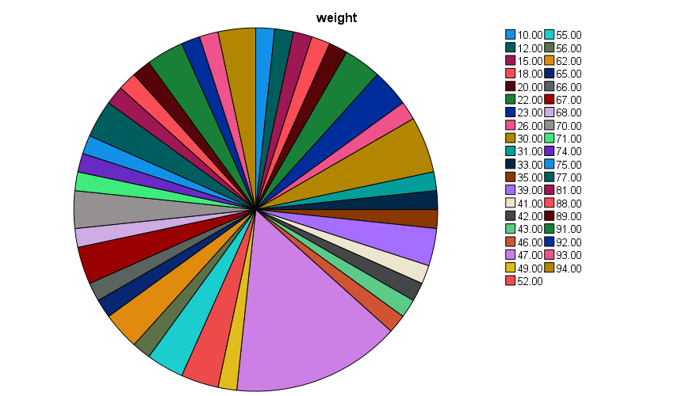
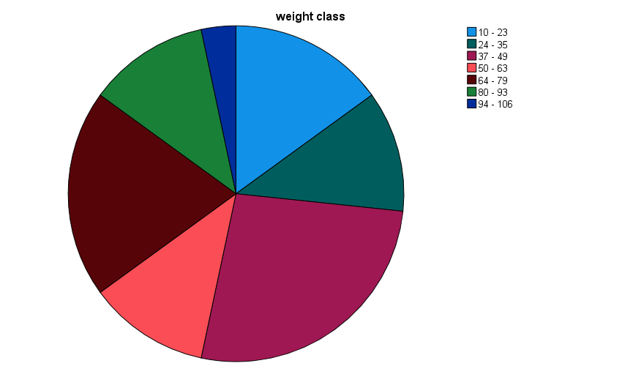
FREQUENCIES VARIABLES=weight class_weight
/NTILES=4
/NTILES=10
/PERCENTILES=35.0
/STATISTICS=STDDEV VARIANCE RANGE MINIMUM MAXIMUM SEMEAN MEAN MEDIAN MODE SUM SKEWNESS SESKEW
KURTOSIS SEKURT
/PIECHART FREQ
/ORDER=ANALYSIS.

Frequencies

Notes
Output Created |  | 04-JUL-2024 15:30:01
Comments
Input | Data | C:\Users\srija\OneDrive\Desktop\CSIT 2027\SEM - 2\Stats I\spss\Untitled1.sav
 | Active Dataset | DataSet1
 | Filter | <none>
 | Weight | <none>
 | Split File | <none>
 | N of Rows in Working Data File | 60
Missing Value Handling | Definition of Missing | User-defined missing values are treated as missing.
 | Cases Used | Statistics are based on all cases with valid data.
Syntax |  | FREQUENCIES VARIABLES=weight class_weight /NTILES=4 /NTILES=10 /PERCENTILES=35.0 /STATISTICS=STDDEV VARIANCE RANGE MINIMUM MAXIMUM SEMEAN MEAN MEDIAN MODE SUM SKEWNESS SESKEW KURTOSIS SEKURT /PIECHART FREQ /ORDER=ANALYSIS.
Resources | Processor Time | 00:00:00.41
 | Elapsed Time | 00:00:00.28

Statistics
 |  | weight | weight class
N | Valid | 60 | 60
 | Missing | 0 | 0
Mean |  | 52.6000 | 4.5833
Std. Error of Mean |  | 3.02702 | 0.22080
Median |  | 47.0000 | 4.0000
Mode |  | 47.00 | 4.00
Std. Deviation |  | 23.44716 | 1.71030
Variance |  | 549.769 | 2.925
Skewness |  | 0.150 | 0.095
Std. Error of Skewness |  | 0.309 | 0.309
Kurtosis |  | -0.882 | -0.952
Std. Error of Kurtosis |  | 0.608 | 0.608
Range |  | 84.00 | 6.00
Minimum |  | 10.00 | 2.00
Maximum |  | 94.00 | 8.00
Sum |  | 3156.00 | 275.00
Percentiles | 10 | 22.0000 | 2.0000
 | 20 | 30.0000 | 3.0000
 | 25 | 33.5000 | 3.0000
 | 30 | 39.6000 | 4.0000
 | 35 | 44.0500 | 4.0000
 | 40 | 47.0000 | 4.0000
 | 50 | 47.0000 | 4.0000
 | 60 | 55.6000 | 5.0000
 | 70 | 67.0000 | 6.0000
 | 75 | 70.0000 | 6.0000
 | 80 | 74.8000 | 6.0000
 | 90 | 90.8000 | 7.0000

Frequency Table

weight
 |  | Frequency | Percent | Valid Percent | Cumulative Percent
Valid | 10.00 | 1 | 1.7 | 1.7 | 1.7
 | 12.00 | 1 | 1.7 | 1.7 | 3.3
 | 15.00 | 1 | 1.7 | 1.7 | 5.0
 | 18.00 | 1 | 1.7 | 1.7 | 6.7
 | 20.00 | 1 | 1.7 | 1.7 | 8.3
 | 22.00 | 2 | 3.3 | 3.3 | 11.7
 | 23.00 | 2 | 3.3 | 3.3 | 15.0
 | 26.00 | 1 | 1.7 | 1.7 | 16.7
 | 30.00 | 3 | 5.0 | 5.0 | 21.7
 | 31.00 | 1 | 1.7 | 1.7 | 23.3
 | 33.00 | 1 | 1.7 | 1.7 | 25.0
 | 35.00 | 1 | 1.7 | 1.7 | 26.7
 | 39.00 | 2 | 3.3 | 3.3 | 30.0
 | 41.00 | 1 | 1.7 | 1.7 | 31.7
 | 42.00 | 1 | 1.7 | 1.7 | 33.3
 | 43.00 | 1 | 1.7 | 1.7 | 35.0
 | 46.00 | 1 | 1.7 | 1.7 | 36.7
 | 47.00 | 9 | 15.0 | 15.0 | 51.7
 | 49.00 | 1 | 1.7 | 1.7 | 53.3
 | 52.00 | 2 | 3.3 | 3.3 | 56.7
 | 55.00 | 2 | 3.3 | 3.3 | 60.0
 | 56.00 | 1 | 1.7 | 1.7 | 61.7
 | 62.00 | 2 | 3.3 | 3.3 | 65.0
 | 65.00 | 1 | 1.7 | 1.7 | 66.7
 | 66.00 | 1 | 1.7 | 1.7 | 68.3
 | 67.00 | 2 | 3.3 | 3.3 | 71.7
 | 68.00 | 1 | 1.7 | 1.7 | 73.3
 | 70.00 | 2 | 3.3 | 3.3 | 76.7
 | 71.00 | 1 | 1.7 | 1.7 | 78.3
 | 74.00 | 1 | 1.7 | 1.7 | 80.0
 | 75.00 | 1 | 1.7 | 1.7 | 81.7
 | 77.00 | 2 | 3.3 | 3.3 | 85.0
 | 81.00 | 1 | 1.7 | 1.7 | 86.7
 | 88.00 | 1 | 1.7 | 1.7 | 88.3
 | 89.00 | 1 | 1.7 | 1.7 | 90.0
 | 91.00 | 2 | 3.3 | 3.3 | 93.3
 | 92.00 | 1 | 1.7 | 1.7 | 95.0
 | 93.00 | 1 | 1.7 | 1.7 | 96.7
 | 94.00 | 2 | 3.3 | 3.3 | 100.0
 | Total | 60 | 100.0 | 100.0

weight class
 |  | Frequency | Percent | Valid Percent | Cumulative Percent
Valid | 10 - 23 | 9 | 15.0 | 15.0 | 15.0
 | 24 - 35 | 7 | 11.7 | 11.7 | 26.7
 | 37 - 49 | 16 | 26.7 | 26.7 | 53.3
 | 50 - 63 | 7 | 11.7 | 11.7 | 65.0
 | 64 - 79 | 12 | 20.0 | 20.0 | 85.0
 | 80 - 93 | 7 | 11.7 | 11.7 | 96.7
 | 94 - 106 | 2 | 3.3 | 3.3 | 100.0
 | Total | 60 | 100.0 | 100.0

Pie Chart


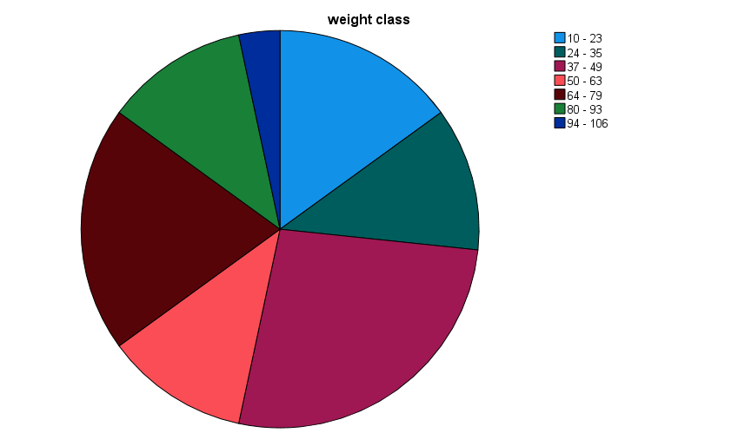

DESCRIPTIVES VARIABLES=weight
/STATISTICS=MEAN SUM STDDEV VARIANCE RANGE MIN MAX SEMEAN KURTOSIS SKEWNESS.

Descriptives

Notes
Output Created |  | 04-JUL-2024 15:30:01
Comments
Input | Data | C:\Users\srija\OneDrive\Desktop\CSIT 2027\SEM - 2\Stats I\spss\Untitled1.sav
 | Active Dataset | DataSet1
 | Filter | <none>
 | Weight | <none>
 | Split File | <none>
 | N of Rows in Working Data File | 60
Missing Value Handling | Definition of Missing | User defined missing values are treated as missing.
 | Cases Used | All non-missing data are used.
Syntax |  | DESCRIPTIVES VARIABLES=weight /STATISTICS=MEAN SUM STDDEV VARIANCE RANGE MIN MAX SEMEAN KURTOSIS SKEWNESS.
Resources | Processor Time | 00:00:00.00
 | Elapsed Time | 00:00:00.00

Descriptive Statistics
 | N | Range | Minimum | Maximum | Sum
 | Statistic | Statistic | Statistic | Statistic | Statistic
weight | 60 | 84.00 | 10.00 | 94.00 | 3156.00
Valid N (listwise) | 60

EXAMINE VARIABLES=weight BY gender |  | Mean
/PLOT BOXPLOT STEMLEAF NPPLOT |  | Statistic | Std. Error
/COMPARE GROUPS |  | 52.6000 | 3.02702
/STATISTICS DESCRIPTIVES
/CINTERVAL 95 |  | Std. Deviation | Variance | Skewness
/MISSING LISTWISE |  | Statistic | Statistic | Statistic | Std. Error
/NOTOTAL. |  | 23.44716 | 549.769 | 0.150 | 0.309

 |  |  |  | Kurtosis
Explore |  |  |  | Statistic | Std. Error
 |  |  |  | -0.882 | 0.608
Notes
Output Created |  | 04-JUL-2024 15:30:01
Comments
Input | Data | C:\Users\srija\OneDrive\Desktop\CSIT 2027\SEM - 2\Stats I\spss\Untitled1.sav
 | Active Dataset | DataSet1
 | Filter | <none>
 | Weight | <none>
 | Split File | <none>
 | N of Rows in Working Data File | 60
Missing Value Handling | Definition of Missing | User-defined missing values for dependent variables are treated as missing.
 | Cases Used | Statistics are based on cases with no missing values for any dependent variable or factor used.
Syntax |  | EXAMINE VARIABLES=weight BY gender /PLOT BOXPLOT STEMLEAF NPPLOT /COMPARE GROUPS /STATISTICS DESCRIPTIVES /CINTERVAL 95 /MISSING LISTWISE /NOTOTAL.
Resources | Processor Time | 00:00:00.83
 | Elapsed Time | 00:00:00.82

gender

Case Processing Summary
gender |  | Cases
 |  | Valid |  | Missing |  | Total
 |  | N | Percent | N | Percent | N | Percent
weight | Male | 32 | 100.0% | 0 | 0.0% | 32 | 100.0%
 | Female | 28 | 100.0% | 0 | 0.0% | 28 | 100.0%

Descriptives
gender |  |  |  | Statistic | Std. Error
weight | Male | Mean |  | 50.2500 | 3.93188
 |  | 95% Confidence Interval for Mean | Lower Bound | 42.2309
 |  |  | Upper Bound | 58.2691
 |  | 5% Trimmed Mean |  | 50.0347
 |  | Median |  | 48.0000
 |  | Variance |  | 494.710
 |  | Std. Deviation |  | 22.24207
 |  | Minimum |  | 10.00
 |  | Maximum |  | 94.00
 |  | Range |  | 84.00
 |  | Interquartile Range |  | 35.25
 |  | Skewness |  | 0.250 | 0.414
 |  | Kurtosis |  | -0.429 | 0.809
 | Female | Mean |  | 55.2857 | 4.70305
 |  | 95% Confidence Interval for Mean | Lower Bound | 45.6359
 |  |  | Upper Bound | 64.9356
 |  | 5% Trimmed Mean |  | 55.3571
 |  | Median |  | 47.0000
 |  | Variance |  | 619.323
 |  | Std. Deviation |  | 24.88620
 |  | Minimum |  | 15.00
 |  | Maximum |  | 94.00
 |  | Range |  | 79.00
 |  | Interquartile Range |  | 41.00
 |  | Skewness |  | 0.010 | 0.441
 |  | Kurtosis |  | -1.178 | 0.858

Tests of Normality
gender |  | Kolmogorov-Smirnova |  |  | Shapiro-Wilk
 |  | Statistic | df | Sig. | Statistic | df | Sig.
weight | Male | 0.086 | 32 | .200* | 0.975 | 32 | 0.651
 | Female | 0.166 | 28 | 0.046 | 0.939 | 28 | 0.101
*. This is a lower bound of the true significance.
a. Lilliefors Significance Correction

weight

Stem-and-Leaf Plots

weight Stem-and-Leaf Plot for
gender= Male

Frequency Stem & Leaf

2.00 1 . 02
3.00 2 . 236
6.00 3 . 000599
6.00 4 . 167779
5.00 5 . 22556
3.00 6 . 257
4.00 7 . 0157
.00 8 .
3.00 9 . 134

Stem width: 10.00
Each leaf: 1 case(s)

weight Stem-and-Leaf Plot for
gender= Female

Frequency Stem & Leaf

2.00 1 . 58
3.00 2 . 023
2.00 3 . 13
8.00 4 . 23777777
.00 5 .
4.00 6 . 2678
3.00 7 . 047
3.00 8 . 189
3.00 9 . 124

Stem width: 10.00
Each leaf: 1 case(s)

Normal Q-Q Plots

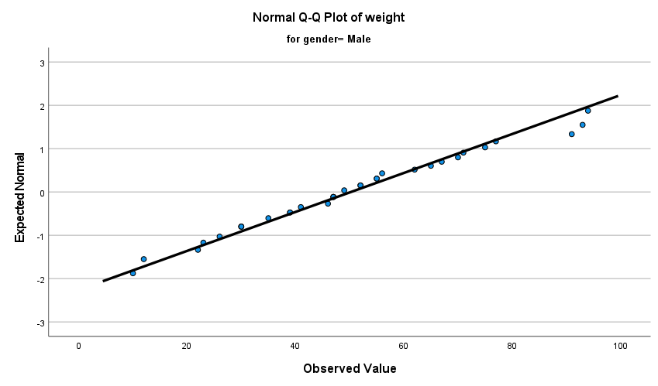
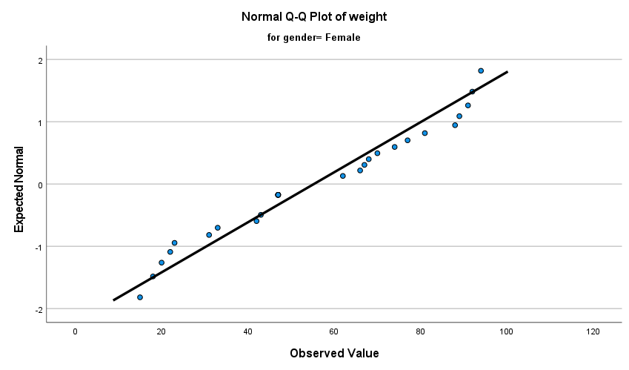

Detrended Normal Q-Q Plots

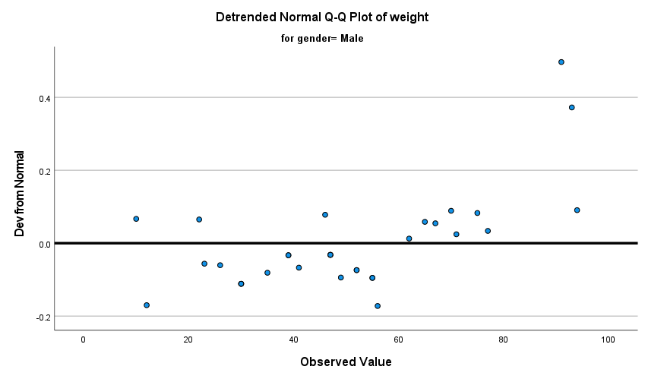
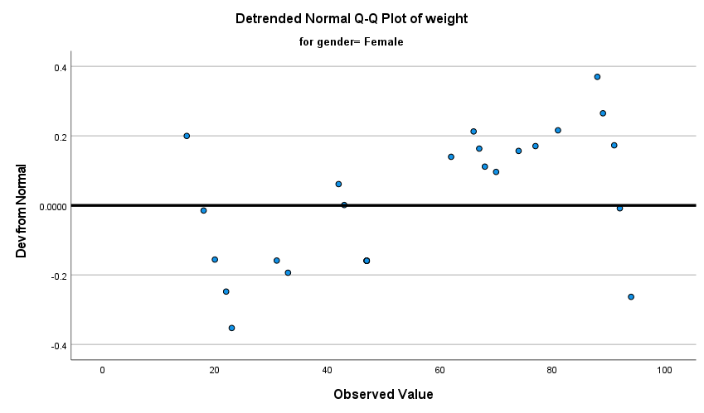
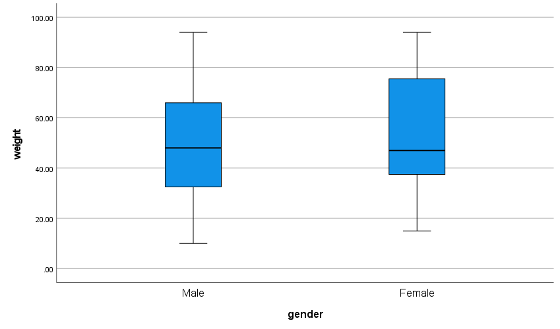

SORT CASES BY gender.
SPLIT FILE SEPARATE BY gender.

FREQUENCIES VARIABLES=weight class_weight
/NTILES=4
/NTILES=10
/PERCENTILES=35.0
/STATISTICS=STDDEV VARIANCE RANGE MINIMUM MAXIMUM SEMEAN MEAN MEDIAN MODE SUM SKEWNESS SESKEW
KURTOSIS SEKURT
/PIECHART FREQ
/ORDER=ANALYSIS.

Frequencies

Notes
Output Created |  | 04-JUL-2024 15:30:02
Comments
Input | Data | C:\Users\srija\OneDrive\Desktop\CSIT 2027\SEM - 2\Stats I\spss\Untitled1.sav
 | Active Dataset | DataSet1
 | Filter | <none>
 | Weight | <none>
 | Split File | gender
 | N of Rows in Working Data File | 60
Missing Value Handling | Definition of Missing | User-defined missing values are treated as missing.
 | Cases Used | Statistics are based on all cases with valid data.
Syntax |  | FREQUENCIES VARIABLES=weight class_weight /NTILES=4 /NTILES=10 /PERCENTILES=35.0 /STATISTICS=STDDEV VARIANCE RANGE MINIMUM MAXIMUM SEMEAN MEAN MEDIAN MODE SUM SKEWNESS SESKEW KURTOSIS SEKURT /PIECHART FREQ /ORDER=ANALYSIS.
Resources | Processor Time | 00:00:01.24
 | Elapsed Time | 00:00:00.94

gender = Male

Statisticsa
 |  | weight | weight class
N | Valid | 32 | 32
 | Missing | 0 | 0
Mean |  | 50.2500 | 4.4688
Std. Error of Mean |  | 3.93188 | 0.28035
Median |  | 48.0000 | 4.0000
Mode |  | 30.00b | 4.00
Std. Deviation |  | 22.24207 | 1.58591
Variance |  | 494.710 | 2.515
Skewness |  | 0.250 | 0.190
Std. Error of Skewness |  | 0.414 | 0.414
Kurtosis |  | -0.429 | -0.570
Std. Error of Kurtosis |  | 0.809 | 0.809
Range |  | 84.00 | 6.00
Minimum |  | 10.00 | 2.00
Maximum |  | 94.00 | 8.00
Sum |  | 1608.00 | 143.00
Percentiles | 10 | 22.3000 | 2.0000
 | 20 | 30.0000 | 3.0000
 | 25 | 31.2500 | 3.0000
 | 30 | 38.6000 | 3.9000
 | 35 | 40.1000 | 4.0000
 | 40 | 46.2000 | 4.0000
 | 50 | 48.0000 | 4.0000
 | 60 | 54.4000 | 5.0000
 | 70 | 62.3000 | 5.1000
 | 75 | 66.5000 | 6.0000
 | 80 | 70.4000 | 6.0000
 | 90 | 86.8000 | 6.7000
a. gender = Male
b. Multiple modes exist. The smallest value is shown

Frequency Table

weighta
 |  | Frequency | Percent | Valid Percent | Cumulative Percent
Valid | 10.00 | 1 | 3.1 | 3.1 | 3.1
 | 12.00 | 1 | 3.1 | 3.1 | 6.3
 | 22.00 | 1 | 3.1 | 3.1 | 9.4
 | 23.00 | 1 | 3.1 | 3.1 | 12.5
 | 26.00 | 1 | 3.1 | 3.1 | 15.6
 | 30.00 | 3 | 9.4 | 9.4 | 25.0
 | 35.00 | 1 | 3.1 | 3.1 | 28.1
 | 39.00 | 2 | 6.3 | 6.3 | 34.4
 | 41.00 | 1 | 3.1 | 3.1 | 37.5
 | 46.00 | 1 | 3.1 | 3.1 | 40.6
 | 47.00 | 3 | 9.4 | 9.4 | 50.0
 | 49.00 | 1 | 3.1 | 3.1 | 53.1
 | 52.00 | 2 | 6.3 | 6.3 | 59.4
 | 55.00 | 2 | 6.3 | 6.3 | 65.6
 | 56.00 | 1 | 3.1 | 3.1 | 68.8
 | 62.00 | 1 | 3.1 | 3.1 | 71.9
 | 65.00 | 1 | 3.1 | 3.1 | 75.0
 | 67.00 | 1 | 3.1 | 3.1 | 78.1
 | 70.00 | 1 | 3.1 | 3.1 | 81.3
 | 71.00 | 1 | 3.1 | 3.1 | 84.4
 | 75.00 | 1 | 3.1 | 3.1 | 87.5
 | 77.00 | 1 | 3.1 | 3.1 | 90.6
 | 91.00 | 1 | 3.1 | 3.1 | 93.8
 | 93.00 | 1 | 3.1 | 3.1 | 96.9
 | 94.00 | 1 | 3.1 | 3.1 | 100.0
 | Total | 32 | 100.0 | 100.0
a. gender = Male

weight classa
 |  | Frequency | Percent | Valid Percent | Cumulative Percent
Valid | 10 - 23 | 4 | 12.5 | 12.5 | 12.5
 | 24 - 35 | 5 | 15.6 | 15.6 | 28.1
 | 37 - 49 | 8 | 25.0 | 25.0 | 53.1
 | 50 - 63 | 6 | 18.8 | 18.8 | 71.9
 | 64 - 79 | 6 | 18.8 | 18.8 | 90.6
 | 80 - 93 | 2 | 6.3 | 6.3 | 96.9
 | 94 - 106 | 1 | 3.1 | 3.1 | 100.0
 | Total | 32 | 100.0 | 100.0
a. gender = Male

Pie Chart

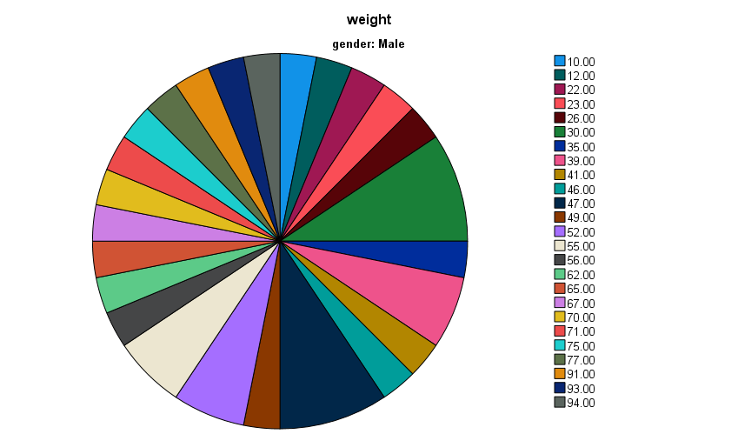
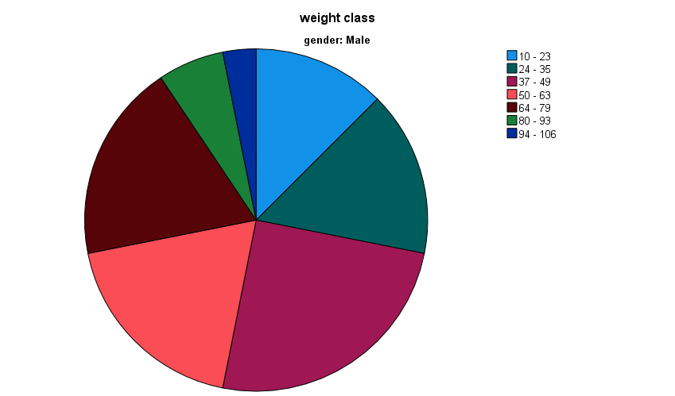

gender = Female

Statisticsa
 |  | weight | weight class
N | Valid | 28 | 28
 | Missing | 0 | 0
Mean |  | 55.2857 | 4.7143
Std. Error of Mean |  | 4.70305 | 0.35208
Median |  | 47.0000 | 4.0000
Mode |  | 47.00 | 4.00
Std. Deviation |  | 24.88620 | 1.86304
Variance |  | 619.323 | 3.471
Skewness |  | 0.010 | -0.031
Std. Error of Skewness |  | 0.441 | 0.441
Kurtosis |  | -1.178 | -1.213
Std. Error of Kurtosis |  | 0.858 | 0.858
Range |  | 79.00 | 6.00
Minimum |  | 15.00 | 2.00
Maximum |  | 94.00 | 8.00
Sum |  | 1548.00 | 132.00
Percentiles | 10 | 19.8000 | 2.0000
 | 20 | 29.4000 | 2.8000
 | 25 | 35.2500 | 3.2500
 | 30 | 42.7000 | 4.0000
 | 35 | 47.0000 | 4.0000
 | 40 | 47.0000 | 4.0000
 | 50 | 47.0000 | 4.0000
 | 60 | 66.4000 | 6.0000
 | 70 | 71.2000 | 6.0000
 | 75 | 76.2500 | 6.0000
 | 80 | 82.4000 | 7.0000
 | 90 | 91.1000 | 7.0000
a. gender = Female

Frequency Table

weighta
 |  | Frequency | Percent | Valid Percent | Cumulative Percent
Valid | 15.00 | 1 | 3.6 | 3.6 | 3.6
 | 18.00 | 1 | 3.6 | 3.6 | 7.1
 | 20.00 | 1 | 3.6 | 3.6 | 10.7
 | 22.00 | 1 | 3.6 | 3.6 | 14.3
 | 23.00 | 1 | 3.6 | 3.6 | 17.9
 | 31.00 | 1 | 3.6 | 3.6 | 21.4
 | 33.00 | 1 | 3.6 | 3.6 | 25.0
 | 42.00 | 1 | 3.6 | 3.6 | 28.6
 | 43.00 | 1 | 3.6 | 3.6 | 32.1
 | 47.00 | 6 | 21.4 | 21.4 | 53.6
 | 62.00 | 1 | 3.6 | 3.6 | 57.1
 | 66.00 | 1 | 3.6 | 3.6 | 60.7
 | 67.00 | 1 | 3.6 | 3.6 | 64.3
 | 68.00 | 1 | 3.6 | 3.6 | 67.9
 | 70.00 | 1 | 3.6 | 3.6 | 71.4
 | 74.00 | 1 | 3.6 | 3.6 | 75.0
 | 77.00 | 1 | 3.6 | 3.6 | 78.6
 | 81.00 | 1 | 3.6 | 3.6 | 82.1
 | 88.00 | 1 | 3.6 | 3.6 | 85.7
 | 89.00 | 1 | 3.6 | 3.6 | 89.3
 | 91.00 | 1 | 3.6 | 3.6 | 92.9
 | 92.00 | 1 | 3.6 | 3.6 | 96.4
 | 94.00 | 1 | 3.6 | 3.6 | 100.0
 | Total | 28 | 100.0 | 100.0
a. gender = Female

weight classa
 |  | Frequency | Percent | Valid Percent | Cumulative Percent
Valid | 10 - 23 | 5 | 17.9 | 17.9 | 17.9
 | 24 - 35 | 2 | 7.1 | 7.1 | 25.0
 | 37 - 49 | 8 | 28.6 | 28.6 | 53.6
 | 50 - 63 | 1 | 3.6 | 3.6 | 57.1
 | 64 - 79 | 6 | 21.4 | 21.4 | 78.6
 | 80 - 93 | 5 | 17.9 | 17.9 | 96.4
 | 94 - 106 | 1 | 3.6 | 3.6 | 100.0
 | Total | 28 | 100.0 | 100.0
a. gender = Female

Pie Chart

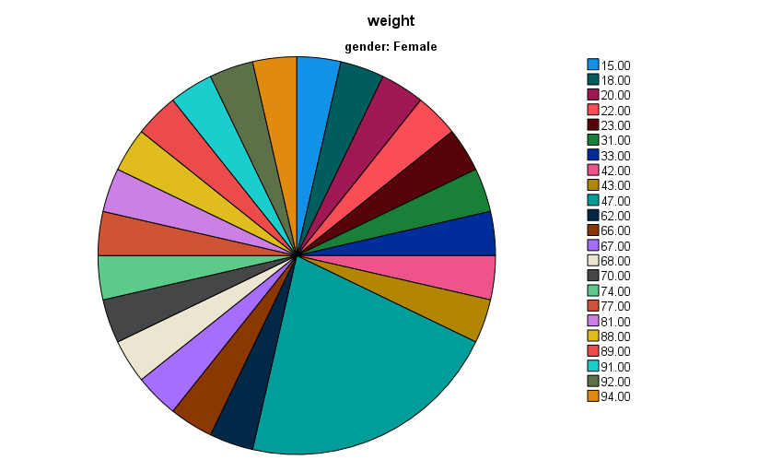
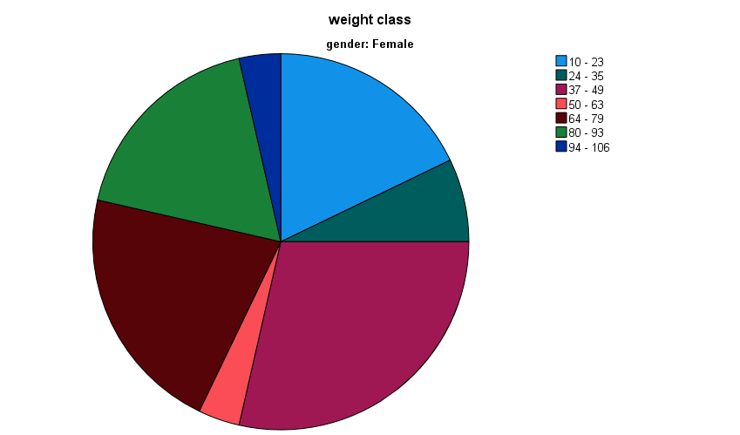

DESCRIPTIVES VARIABLES=weight
/STATISTICS=MEAN SUM STDDEV VARIANCE RANGE MIN MAX SEMEAN KURTOSIS SKEWNESS.

Descriptives

Notes
Output Created |  | 04-JUL-2024 15:30:03
Comments
Input | Data | C:\Users\srija\OneDrive\Desktop\CSIT 2027\SEM - 2\Stats I\spss\Untitled1.sav
 | Active Dataset | DataSet1
 | Filter | <none>
 | Weight | <none>
 | Split File | gender
 | N of Rows in Working Data File | 60
Missing Value Handling | Definition of Missing | User defined missing values are treated as missing.
 | Cases Used | All non-missing data are used.
Syntax |  | DESCRIPTIVES VARIABLES=weight /STATISTICS=MEAN SUM STDDEV VARIANCE RANGE MIN MAX SEMEAN KURTOSIS SKEWNESS.
Resources | Processor Time | 00:00:00.00
 | Elapsed Time | 00:00:00.01

gender = Male

Descriptive Statisticsa
 | N | Range | Minimum | Maximum | Sum | Mean
 | Statistic | Statistic | Statistic | Statistic | Statistic | Statistic | Std. Error
weight | 32 | 84.00 | 10.00 | 94.00 | 1608.00 | 50.2500 | 3.93188
Valid N (listwise) | 32
a. gender = Male
 |  | Std. Deviation | Variance | Skewness |  | Kurtosis
 |  | Statistic | Statistic | Statistic | Std. Error | Statistic | Std. Error
gender = Female |  | 22.24207 | 494.710 | 0.250 | 0.414 | -0.429 | 0.809

Descriptive Statisticsa
 | N | Range | Minimum | Maximum | Sum | Mean
 | Statistic | Statistic | Statistic | Statistic | Statistic | Statistic | Std. Error
weight | 28 | 79.00 | 15.00 | 94.00 | 1548.00 | 55.2857 | 4.70305
Valid N (listwise) | 28
a. gender = Female
 |  | Std. Deviation | Variance | Skewness |  | Kurtosis
 |  | Statistic | Statistic | Statistic | Std. Error | Statistic | Std. Error
SPLIT FILE OFF. |  | 24.88620 | 619.323 | 0.010 | 0.441 | -1.178 | 0.858

